Sheet1
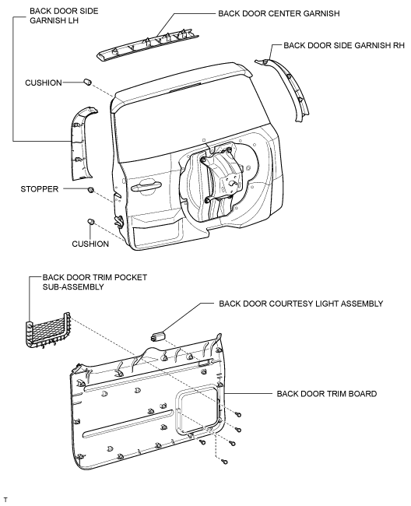
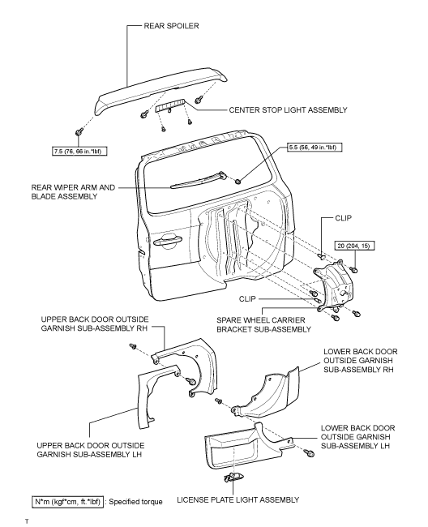
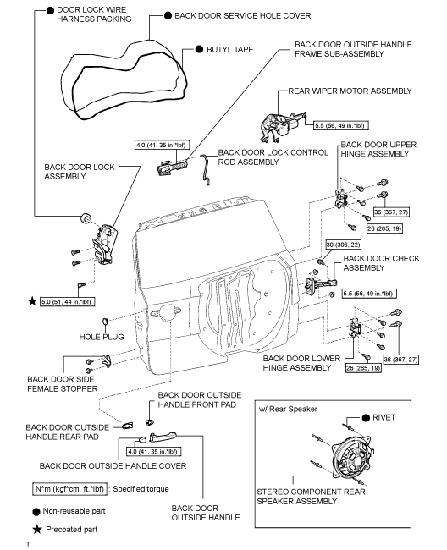
2008 Toyota Rav4 Sport 2.4
BODY/TRUNK / LIFTGATE ASSEMBLY
Your Vehicle: 2008 Toyota Truck RAV4 2WD L4-2.4L (2AZ-FE)

 | Vehicle » Body and Frame » Doors, Hood and Trunk » Trunk / Liftgate » Service and Repair » Components

 | Components

ENGINE HOOD / DOOR: BACK DOOR: COMPONENTS

COMPONENTS

ILLUSTRATION

